Sheet1
1a. 1NF
ORDERPRODUCTS
Order ID | Order Date | Cust ID | Cust FName | Cust LName | Cust Phone | Sales Rep ID | Sales Rep FName | Sales Rep LName | Comm Class | Comm Rate | Dept ID | Dept Name | Prod ID | Prod Name | Prod Cat ID | Prod Cat Name | Prod Qty | Prod Price
100 | 1/24/22 | S100 | John | Smith | 214-555-1212 | 10 | Alice | Jones | A | 0.1 | 10 | Store Sales | 121 | BD Hammer | 1 | Hand Tools | 2 | $8.00
100 | 1/24/22 | S100 | John | Smith | 214-555-1212 | 10 | Alice | Jones | A | 0.1 | 10 | Store Sales | 228 | Makita Power Drill | 2 | Power Tools | 1 | $65.00
100 | 1/24/22 | S100 | John | Smith | 214-555-1212 | 10 | Alice | Jones | A | 0.1 | 10 | Store Sales | 480 | 1# BD Nails | 4 | Fasteners | 2 | $3.00
100 | 1/24/22 | S100 | John | Smith | 214-555-1212 | 10 | Alice | Jones | A | 0.1 | 10 | Store Sales | 407 | 1# BD Screws | 4 | Fasteners | 1 | $4.25
101 | 1/25/22 | A120 | Jane | Adams | 817-555-3434 | 12 | Greg | Taylor | B | 0.08 | 14 | Corp Sales | 610 | 3M Duct Tape | 6 | Misc | 200 | $1.75
101 | 1/25/22 | A120 | Jane | Adams | 817-555-3434 | 12 | Greg | Taylor | B | 0.08 | 14 | Corp Sales | 618 | 3M Masking Tape | 6 | Misc | 100 | $1.25
102 | 1/25/22 | J090 | Tim | Jones |  | 14 | Sara | Day | Z | 0 | 10 | Store Sales | 380 | Acme Yard Stick | 3 | Measuring Tools | 2 | $1.25
102 | 1/25/22 | J090 | Tim | Jones |  | 14 | Sara | Day | Z | 0 | 10 | Store Sales | 121 | BD Hammer | 1 | Hand Tools | 1 | $7.00
102 | 1/25/22 | J090 | Tim | Jones |  | 14 | Sara | Day | Z | 0 | 10 | Store Sales | 535 | Schlage Door Knob | 5 | Hardware | 4 | $7.50
103 | 1/26/22 | B200 | Ann | Brown | 972-555-7979 | 8 | Kay | Price | C | 0.05 | 14 | Corp Sales | 121 | BD Hammer | 1 | Hand Tools | 50 | $7.00
103 | 1/26/22 | B200 | Ann | Brown | 972-555-7979 | 8 | Kay | Price | C | 0.05 | 14 | Corp Sales | 123 | Acme Pry Bar | 1 | Hand Tools | 20 | $6.25
104 | 1/26/22 | S100 | John | Smith | 214-555-1212 | 10 | Alice | Jones | A | 0.1 | 10 | Store Sales | 229 | BD Power Drill | 2 | Power Tools | 1 | $50.00
104 | 1/26/22 | S100 | John | Smith | 214-555-1212 | 10 | Alice | Jones | A | 0.1 | 10 | Store Sales | 610 | 3M Duct Tape | 6 | Misc | 200 | $1.75
104 | 1/26/22 | S100 | John | Smith | 214-555-1212 | 10 | Alice | Jones | A | 0.1 | 10 | Store Sales | 380 | Acme Yard Stick | 3 | Measuring Tools | 2 | $1.25
104 | 1/26/22 | S100 | John | Smith | 214-555-1212 | 10 | Alice | Jones | A | 0.1 | 10 | Store Sales | 535 | Schlage Door Knob | 5 | Hardware | 4 | $7.50
105 | 1/26/22 | B200 | Ann | Brown | 972-555-7979 | 8 | Kay | Price | C | 0.05 | 14 | Corp Sales | 610 | 3M Duct Tape | 6 | Misc | 200 | $1.75
105 | 1/26/22 | B200 | Ann | Brown | 972-555-7979 | 8 | Kay | Price | C | 0.05 | 14 | Corp Sales | 123 | Acme Pry Bar | 1 | Hand Tools | 40 | $5.00
106 | 1/27/22 | G070 | Kate | Green | 817-555-1034 | 20 | Bob | Jackson | B | 0.08 | 10 | Store Sales | 124 | Acme Hammer | 1 | Hand Tools | 1 | $6.50
107 | 1/27/22 | J090 | Tim | Jones |  | 14 | Sara | Day | Z | 0 | 10 | Store Sales | 229 | BD Power Drill | 2 | Power Tools | 1 | $59.00
108 | 1/27/22 | S120 | Nicole | Sims |  | 22 | Micah | Moore | Z | 0 | 16 | Web Sales | 235 | Makita Power Drill | 2 | Power Tools | 1 | $65.00

1b. Table Structure Format
ORDERPRODUCT(orderID,ProdID, OrderDate, CustID,CustFName, CustLName, CustPhone, SalesRepID, SalesRepFName, SalesRepLName, CommClass, CommRate, DeptID, DeptName, ProdName,ProdCatID,)

1c. Dependency Diagram

2a. key Components
OrderID
ProdID
OrderID,ProdID

2b. Table Structure Format
ORDERPRODUCT(OrderID,ProdID, ProdQty, ProdPrice)
PRODUCT(ProdID, ProdName, ProdCatID, ProdCatName)
ORDER(OrderID, OrderDate, CustID, CustFName, CustLName, CustPhone, SalesRepID, SalesRepFName, SalesrepLName, CommClass, CommRate, DeptID, DeptName)

2c.Dependency Diagram

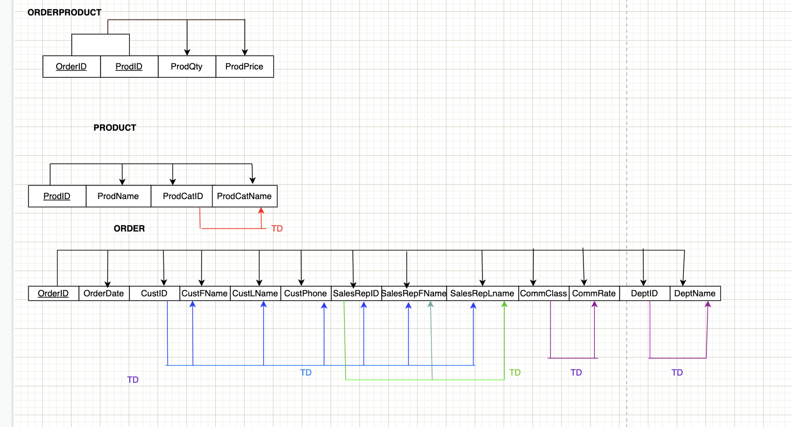

3a. Table Structure Format
COMMISSIONCLASS(CommClass, CommRate)
DEPARTMENT(DeptID, DeptName)
SALESREPRESENTATIVE(SalesRepID, SalesRepFName,CommClass,DeptID)
CUSTOMER(CustID, CustName,CustPhone,SalesRepID,SalesRepFName)
PRODUCTCATEGORY(ProdCatID, prodCatName)
PRODUCT(ProdID, ProdName,ProdCatID)
ORDERPRODUCT(OrderID, ProdID,ProdQty,ProdPrice)
ORDER(OrderID, OrderDate, CustID)

3b. Dependency Diagram
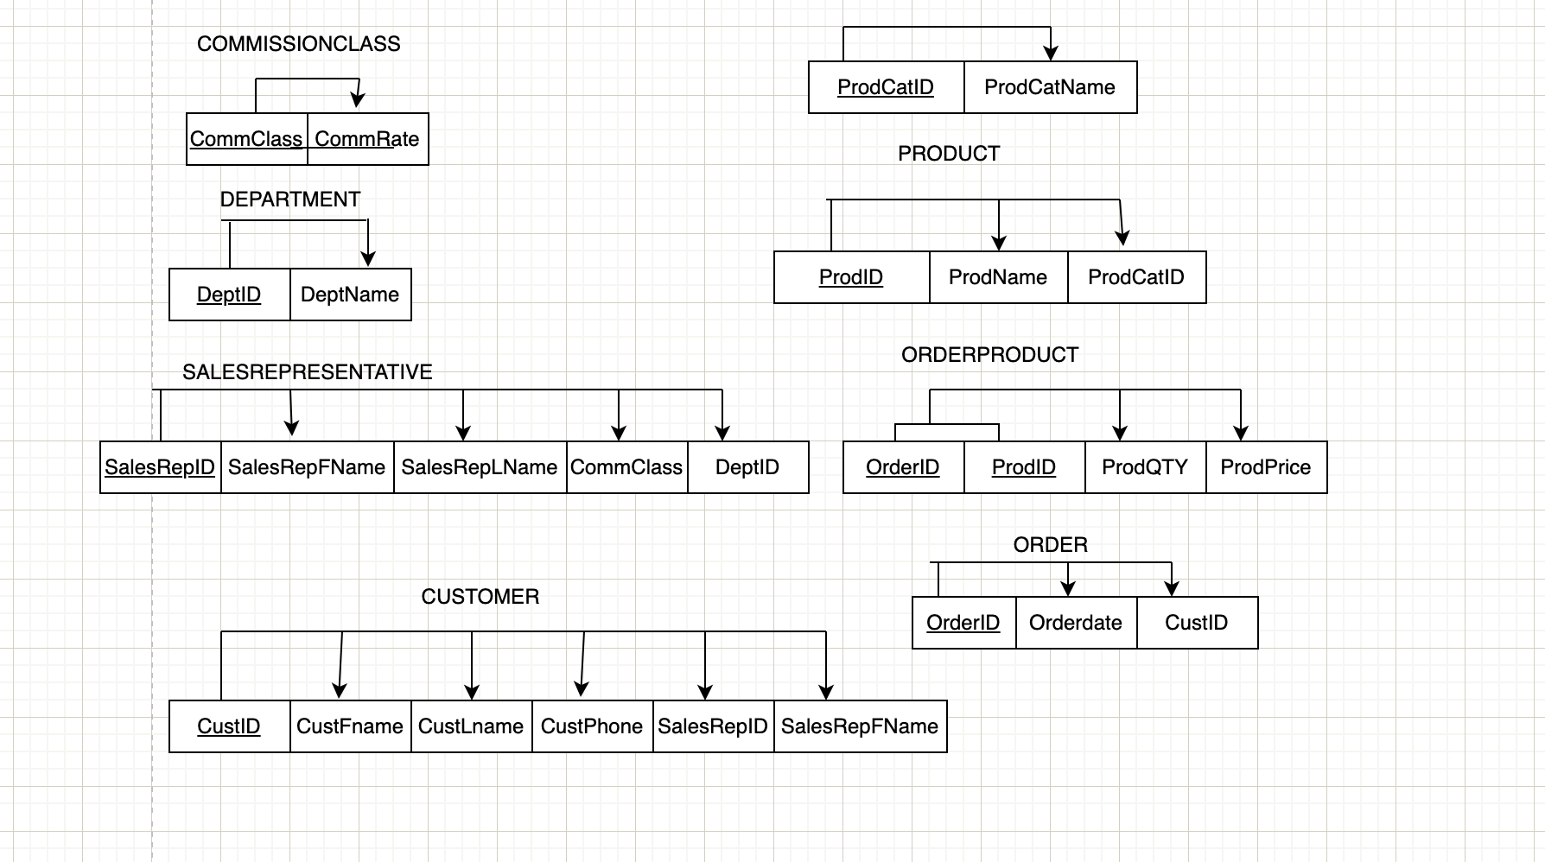

4a. ERD
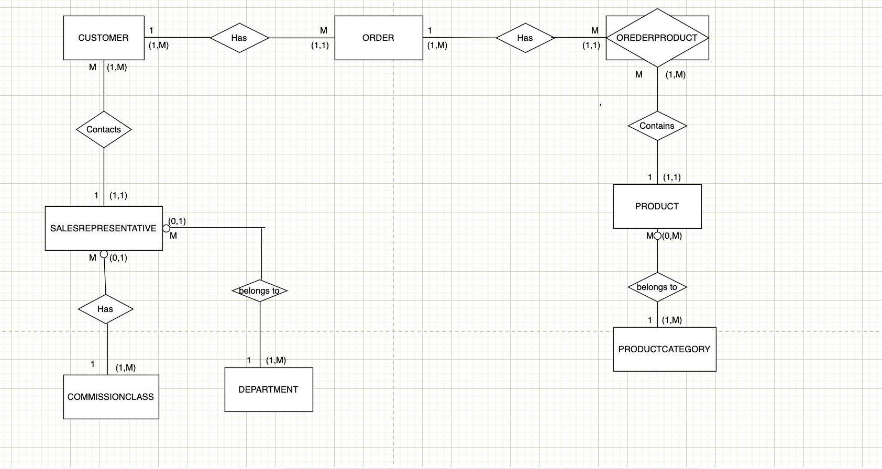

4b. Relational Schema
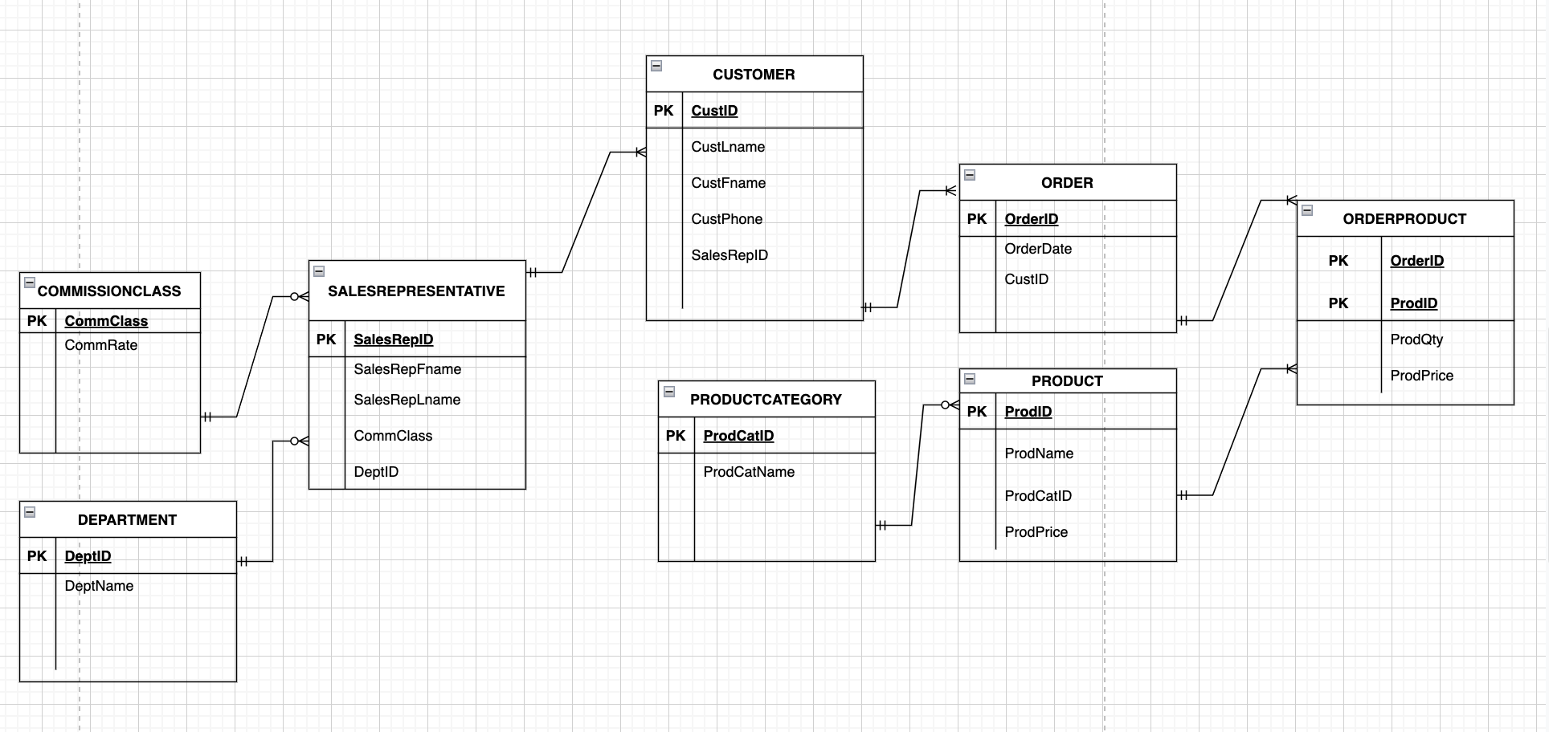

5a. Business Rules
Each CUSTOMER is Always related to ONE SALESREPRESENTATIVE
Each SALESREPRESENTATIVE is ALWAYS related to ONE OR MORE CUSTOMERS.
Each SALESREPRESENTATIVE is Always related to ONE COMMISSIONCLASS
Each COMMISSIONCLASS is SOMETIMES related to ONE OR MORE SALESREPRESENTATIVE
Each SALESREPRESENTATIVE is Always related to ONE DEPARTMENT
Each DEPARTMENT is SOMETIMES related to ONE OR MORE SALESREPRESENTATIVE
Each CUSTOMER is Always related to ONE ORDER
Each ORDER is ALWAYS related to ONE OR MORE CUSTOMER
Each ORDER is Always related to ONE ORDERPRODUCT
Each ORDERPRODUCT is ALWAYS related to ONE OR MORE ORDER
Each ORDERPRODUCT is Always related to ONE PRODUCT
Each PRODUCT is ALWAYS related to ONE OR MORE ORDERPRODUCT
Each PRODUCT is Always related to ONE PRODUCTCATEGORY
Each PRODUCTCATEGORY is SOMETIMES related to ONE OR MORE PRODUCT

